ORDER
 | ORDER FORM
 | 1.- BILLING INFORMATION: |  | COMPANY NAME: |  |  |  |  |  |  |  |  |  |  |  |  | CLIENT NUMBER |  |  |  | ORDER NUMBER
 |  |  | ADDRESS:
 |  |  | REFERENCES: |  |  |  |  | ZIP CODE:
 |  |  | CITY: |  |  |  |  | STATE: |  |  |  |  |  |  |  |  V-08052026 |  |  |  | LAZZAR USA Inc. 8122 Datapoint Dr. Suite 250, 78229, San Antonio, Texas. (210) 990-0198 www.lazzarusa.com
Buscadores (Google) |  |  |  |  |  |  |  | COMPANY´S SECTOR:

Redes Sociales | 2.- GENERAL CUSTOMER´S DATA |  | BUYER: |  |  |  |  | BUYER 2:
Chat Online |  |  | E-MAIL: |  |  |  |  | E-MAIL 2:
 |  |  | PHONE: |  |  |  |  | CELL PHONE:
 |  |  | ¿HOW WAS THE CUSTOMER CONTACTED? | Reorder | Search Engine |  | Online Chat | Online Order
4 |  |  |  | Prospecting | Social Networks |  | Recommended | Other | Amazon |  |  |  |  |  |  | SALES AGENT:
1 | 3.- CONTACT AND PAYMENT INFORMATION |  | ACCOUNT PAYABLE |  |  |  |  |  | 5.- PAYMENT TERMS |  |  | 100% ADVANCE |  |  |  | $31.39 |  | DATE: |  |  | 2026-05-09
 |  |  | E-MAIL: |  |  |  |  |  |  |  |  | 50% ADVANCE
 |  |  | PHONE: |  |  |  |  |  |  |  |  | OTHER AMOUNT: |  |  |  | SPECIFY AMOUNT
 |  |  | TAX ID: |  |  |  |  |  |  |  |  | AUTHORIZED |  |  |  |  |  | ESTIMATED SHIPPING DATE: |  |  | 2026-05-13
 |  |  |  |  |  |  |  |  |  |  |  | PAYMENT BEFORE SHIPPING
FALSE |  |  |  |  |  |  |  |  |  |  |  | PENDING CONFIRMATION
 |  |  | P.O. | PURCHASE ORDER ID:
FALSE | 4.- SHIPPING INFORMATION |  |  | SEND TO TAX ADDRESS |  | SHIP WITH OTHER ORDERS? |  |  |  |  |  |  |  |  |  |  | ECOLOGICAL PACKAGING, NO PLASTIC BAGS. ¡ Thank you for helping us take care of the environment !
FALSE |  |  | SEND TO: |  |  |  |  | COMPANY
 |  |  | PHONE: |  |  |  |  | MOBILE: |  |  |  |  |  |  |  |  | PARTIAL SHIPPING ACCEPTED? |  |  | PARTIAL SHIPPING COMMENTS:
 |  |  | ADDRESS:
 |  |  | SUITE |  |  |  |  | ZIP CODE:
FALSE |  |  | CITY: |  |  |  |  | STATE:
 |  |  | ADDITIONAL REFERENCES: |  |  |  |  |  |  |  | CLASSIFICATION: |  |  | A |  | PARTIAL ORDER SHIPPING DATE: |  |  |  |  | N/A

 | LOGO | QTY. | ITEM DESCRIPTION | ITEM FAMILY |  | COLOR |  | SKU | 2XS 32 | XS 34 | S 36 | M 38 | L 40 | XL 42 | 2XL 44/46 | 3XL 48/50 | - | - | - | PRICE |  | TOTAL
 |  | 0 |  |  |  |  |  |  |  |  |  |  |  |  |  |  |  |  |  | $- |  | $-
 |  | 0 |  |  |  |  |  |  |  |  |  |  |  |  |  |  |  |  |  | $- |  | $-
 |  | 0 |  |  |  |  |  |  |  |  |  |  |  |  |  |  |  |  |  | $- |  | $-
 |  | 0 |  |  |  |  |  |  |  |  |  |  |  |  |  |  |  |  |  | $- |  | $-
 |  | 0 |  |  |  |  |  |  |  |  |  |  |  |  |  |  |  |  |  | $- |  | $-
 | LOGO | QTY. | ITEM DESCRIPTION | ITEM FAMILY |  | COLOR |  | SKU | 28 | 30 | 32 | 34 | 36 | 38 | 40 | 42 | 44 | 46 | 48 | PRICE |  | TOTAL
 |  | 0 |  |  |  |  |  |  |  |  |  |  |  |  |  |  |  |  |  | $- |  | $-
 |  | 0 |  |  |  |  |  |  |  |  |  |  |  |  |  |  |  |  |  | $- |  | $-
 |  | 0 |  |  |  |  |  |  |  |  |  |  |  |  |  |  |  |  |  | $- |  | $-
 |  | 0 |  |  |  |  |  |  |  |  |  |  |  |  |  |  |  |  |  | $- |  | $-
 |  | 0 |  |  |  |  |  |  |  |  |  |  |  |  |  |  |  |  |  | $- |  | $-
 | LOGO | QTY. | ITEM DESCRIPTION | ITEM FAMILY |  | COLOR |  | SKU | 2XS 24 | XS 26 | S 28 | M 30 | L 32 | XL 34 | 2XL 36/38 | 3XL 40/42 | - | - | - | PRICE |  | TOTAL
 |  | 0 |  |  |  |  |  |  |  |  |  |  |  |  |  |  |  |  |  | $- |  | $-
 |  | 0 |  |  |  |  |  |  |  |  |  |  |  |  |  |  |  |  |  | $- |  | $-
 |  | 0 |  |  |  |  |  |  |  |  |  |  |  |  |  |  |  |  |  | $- |  | $-
 |  | 0 |  |  |  |  |  |  |  |  |  |  |  |  |  |  |  |  |  | $- |  | $-
 |  | 0 |  |  |  |  |  |  |  |  |  |  |  |  |  |  |  |  |  | $- |  | $-
 | LOGO | QTY. | ITEM DESCRIPTION | ITEM FAMILY |  | COLOR |  | SKU | 3 | 5 | 7 | 9 | 11 | 13 | 15 | 17 | 19 | 21 | 23 | PRICE |  | TOTAL
 |  | 0 |  |  |  |  |  |  |  |  |  |  |  |  |  |  |  |  |  | $- |  | $-
 |  | 0 |  |  |  |  |  |  |  |  |  |  |  |  |  |  |  |  |  | $- |  | $-
 |  | 0 |  |  |  |  |  |  |  |  |  |  |  |  |  |  |  |  |  | $- |  | $-
 |  | 0 |  |  |  |  |  |  |  |  |  |  |  |  |  |  |  |  |  | $- |  | $-
 |  | 0 |  |  |  |  |  |  |  |  |  |  |  |  |  |  |  |  |  | $- |  | $-
 |  | QTY. | ITEM DESCRIPTION | ITEM FAMILY |  | COLOR |  | SKU | 22 | 23 | 24 | 25 | 26 | 27 | 28 | 29 | 30 | 31 | 32 | PRECIO |  | TOTAL
 |  | 0 |  |  |  |  |  |  |  |  |  |  |  |  |  |  |  |  |  | $- |  | $-
 | BORDADOS Y SERVICIOS:
 | 0 |  | TOTAL ITEMS |  | NOTA: ITEMS WITH AN "X" IN THE LOGO COLUMN WILL BE EMROIDERED, PLEASE CONFIRM THE DETAILS ABOUT THE LOGO (SIZE, PLACEMENT AND COLOR) IN THE LOGOS SHEET |  |  |  |  |  |  |  | EMBROIDERED? (SEE LOGOS SHEET) |  |  |  | PERSONALIZED?: (SEE PERSONALIZATION SHEET) |  |  |  | PRECIO | TOTAL
 | 1 |  | SHIPPING COST |  |  |  |  |  |  |  |  |  |  |  |  |  |  |  |  |  | $29.00 | $29.00
 |  |  | LOGO DESIGN |  |  |  |  |  |  |  |  |  |  |  |  |  |  |  |  |  | $- | $-
 | 0 |  | SMALL EMBROIDERED LOGO |  |  |  |  |  |  |  |  |  |  |  |  |  |  |  |  |  | $- | $-
 | 0 |  | ADDITIONAL EMBROIDERED LOGO |  |  |  |  |  |  |  |  |  |  |  |  |  |  |  |  |  | $- | $-
FALSE | ADDITIONAL COMMENTS: |  |  |  |  |  |  |  | BANK ACCOUNT |  |  |  |  | PAGOS: |  |  |  |  |  |  | SUBTOTAL | $29.00

FALSE |  |  |  |  |  |  |  |  |  |  |  |  |  | ADVANCE PAYMENT |  |  | $31.39 |  |  |  | TAX | $2.39

 |  |  |  |  |  |  |  |  |  |  |  |  |  | REMAINING PAYMENT |  |  | $- |  |  |  | TOTAL | $31.39

 | "Please note that once this order is confirmed, we can´t change it during the manufacturing process and it´s final authorization is your sole responsibility. Orders can´t be cancelled if they have been embroidered. Estimated shipping time may vary according to stock availablity and production time changes.

LOGOS
 | EMBROIDERY |  |  |  | 0 |  |  | 0
FALSE |  | I accept, size, position and colors for the logos. *Once this has been accepted we can't do any changes
FALSE |  | Name Personalization? (Please refer to "personalization" sheet
TRUE | Items with same color as the logo? |  |  |  |  |  |  |  | 1
FALSE | DUMMY
 | 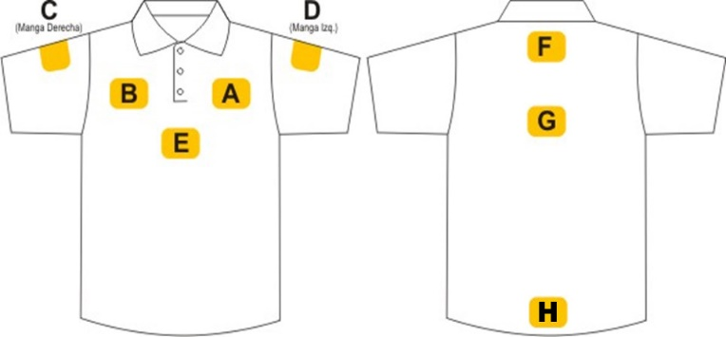 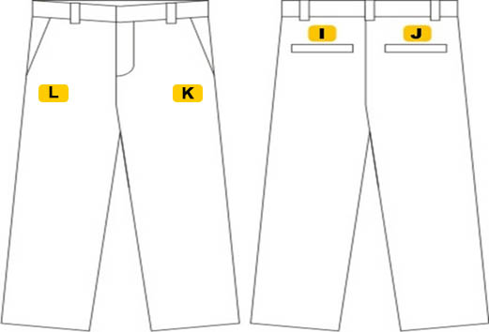

 | A | FRONT LEFT | B | FRONT RIGHT |  | C | RIGHT SLEEVE
 | SIZE: |  | SIZE: |  |  | SIZE:
 | COLOR: |  | COLOR: |  |  | COLOR:

 | D | LEFT SLEEVE | F | TOP BACK |  | G | MID BACK
 | SIZE: |  | SIZE: |  |  | SIZE:
 | COLOR: |  | COLOR: |  |  | COLOR:

 | ADDITIONAL COMMENTS

